Sheet1
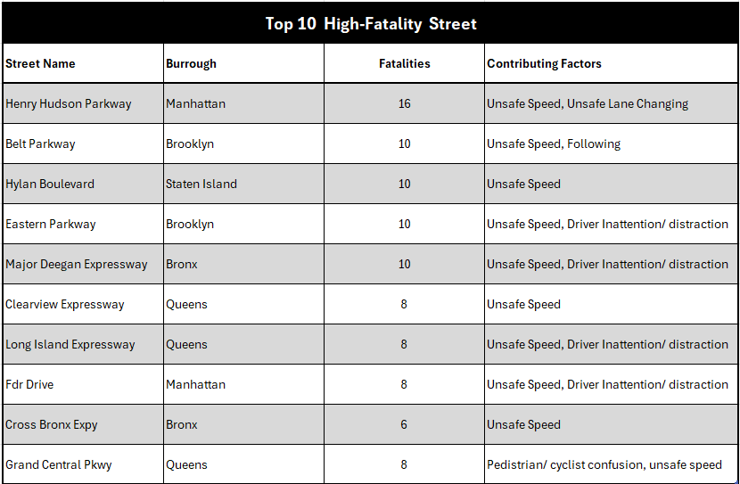
NYC Traffic Accidents Analysis | No. of Collisions | No. of injuries | No. of Fatalies
 | 236,538 | 225,222 | 1,228

Collisions trends - Monthly & Yearly
 | 2021 | 2022 | 2023
Jan | 7719 | 7915 | 7390
Feb | 6976 | 7390 | 6841
Mar | 8262 | 8856 | 7981
Apr | 8752 | 8545 | 0
May | 10289 | 9460 | 0
Jun | 10608 | 9471 | 0
Jul | 10002 | 8870 | 0
Aug | 9880 | 8921 | 0
Sep | 9896 | 8875 | 0
Oct | 10204 | 8944 | 0
Nov | 9375 | 8168 | 0
Dec | 8583 | 8365 | 0
Collisions Trend - Day & Time
 | Monday | Tuesday | Wednesday | Thursday | Friday | Saturday | Sunday
0 | 1491 | 1232 | 1225 | 1339 | 1522 | 1857 | 2014
1 | 749 | 482 | 529 | 598 | 710 | 1257 | 1363
2 | 570 | 365 | 427 | 431 | 593 | 1107 | 1151
3 | 464 | 346 | 353 | 385 | 511 | 1104 | 1110
4 | 558 | 305 | 359 | 424 | 531 | 1088 | 1258
5 | 695 | 542 | 529 | 552 | 577 | 858 | 895
6 | 995 | 948 | 1014 | 934 | 989 | 763 | 775
7 | 1390 | 1326 | 1367 | 1321 | 1317 | 769 | 655
8 | 1930 | 2137 | 2003 | 2032 | 1956 | 1057 | 841
9 | 1688 | 1782 | 1683 | 1731 | 1706 | 1099 | 915
10 | 1554 | 1605 | 1616 | 1670 | 1581 | 1341 | 1040
11 | 1602 | 1648 | 1659 | 1693 | 1734 | 1442 | 1225
12 | 1635 | 1750 | 1752 | 1755 | 1968 | 1600 | 1351
13 | 1676 | 1833 | 1794 | 1767 | 1912 | 1621 | 1416
14 | 1991 | 2018 | 2128 | 2113 | 2152 | 1769 | 1632
15 | 2072 | 2233 | 2240 | 2203 | 2378 | 1746 | 1599
16 | 2139 | 2235 | 2363 | 2301 | 2434 | 1815 | 1657
17 | 2119 | 2267 | 2248 | 2328 | 2458 | 1791 | 1630
18 | 1863 | 2048 | 2026 | 2086 | 2209 | 1764 | 1578
19 | 1545 | 1655 | 1684 | 1749 | 1878 | 1594 | 1488
20 | 1290 | 1333 | 1412 | 1482 | 1620 | 1672 | 1400
21 | 1172 | 1170 | 1217 | 1260 | 1567 | 1504 | 1384
22 | 1008 | 1126 | 1178 | 1213 | 1528 | 1484 | 1287
23 | 910 | 995 | 1007 | 1090 | 1501 | 1516 | 1167
Collisions Trend - Burrough
 | No. of Collisions | Dangerous Collisions
Brooklyn | 75774 | 28615
Queens | 63220 | 23099
Bronx | 40960 | 14830
Manhattan | 37994 | 13707
Staten Island | 11459 | 3830

Top 10 contributing factors & % of Dangerous Collisions
 | No. of Collisions | % of Dangerous Collisions
Driver Inattention/Distraction | 57841 | 0.38858249339
Failure to Yield Right-of-Way | 16414 | 0.63610332643
Following Too Closely | 15397 | 0.4032603754
Passing or Lane Usage Improper | 10656 | 0.25900900901
Passing Too Closely | 9080 | 0.10825991189
Unsafe Speed | 8343 | 0.45607095769
Backing Unsafely | 7407 | 0.18509518023
Traffic Control Disregarded | 6650 | 0.58571428571
Other Vehicular | 6439 | 0.31402391676
Turning Improperly | 5331 | 0.34121178015
Fatalaties per Vehicle Type
 | People Killed | Pedestrian killed | Cyclist Killed | Motorist killed
Limousine | 0 | 0 | 0 | 0
Fire Services | 0 | 0 | 0 | 0
Other (Open Passenger) | 0 | 0 | 0 | 0
Emergency Services | 2 | 1 | 0 | 1
Construction | 6 | 5 | 1 | 0
Delivery Vehicle | 7 | 3 | 0 | 3
Other | 7 | 3 | 2 | 2
Taxi | 8 | 5 | 1 | 2
Utility Vehicle | 9 | 5 | 2 | 2
Bus | 16 | 14 | 1 | 1
Not Reported | 19 | 19 | 0 | 0
Scooter | 19 | 2 | 0 | 16
Bicycle | 32 | 5 | 14 | 2
Transport | 37 | 19 | 7 | 6
Motorcycle | 62 | 3 | 0 | 59
Passenger Vehicle | 407 | 200 | 18 | 173

